Sheet1
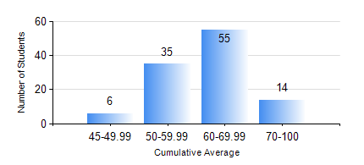
 |  |  | KWAME NKRUMAH UNIVERSITY OF SCIENCE AND TECHNOLOGY, KUMASI Department of Materials Engineering

 |  |  | BSC. MATERIALS ENG.

 |  |  | COMPREHENSIVE RECORD OF EXAMINATION RESULTS

 |  |  | RESULTS OF YEAR 1 SECOND SEMESTER, 2018/2019 ACADEMIC YEAR

 | Sn | Course Code |  | Course Name | Credit Hours | Min. Mark | Max. Mark | Avg. Mark | Std. Dev. | No. Passed | No. Trailed | No. (Df) | No. (I) | No. (I*) | No. Tagged(I,I*,Df) | Total
 | 1. | EE 152 |  | BASIC ELECTRONICS | 2 | 50 | 87 | 61 | 7.94 | 110 | 0 | 0 | 0 | 0 | 0 | 110
 | 2. | ENGL 158 |  | COMMUNICATION SKILLS II | 2 | 51 | 85 | 65 | 6.27 | 110 | 0 | 0 | 0 | 0 | 0 | 110
 | 3. | MATH 152 |  | CALCULUS WITH ANALYSIS | 4 | 40 | 80 | 57 | 9.93 | 110 | 0 | 0 | 0 | 0 | 0 | 110
 | 4. | ME 160 |  | ENGINEERING DRAWING | 2 | 34 | 71 | 56 | 7.73 | 108 | 2 | 0 | 0 | 0 | 0 | 110
 | 5. | ME 162 |  | BASIC MECHANICS | 3 | 30 | 87 | 66 | 12.96 | 107 | 3 | 0 | 0 | 0 | 0 | 110
 | 6. | MSE 152 |  | CHEMISTRY FOR MATERIALS ENGINEERS II | 2 | 24 | 73 | 49 | 8.52 | 101 | 9 | 0 | 0 | 0 | 0 | 110
 | 7. | MSE 154 |  | PRINCIPLES OF MATERIALS SCIENCE I | 2 | 28 | 88 | 64 | 14.04 | 103 | 7 | 0 | 0 | 0 | 0 | 110

